Sample Screens
 | Screen1 : Customer Registration
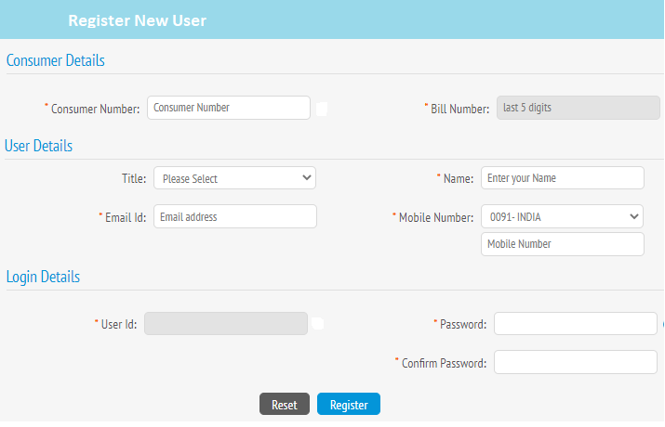

Screen2 :Registration confirmation
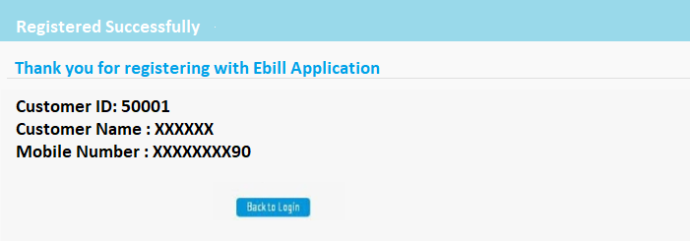

Screen3 :Customer Login Screen

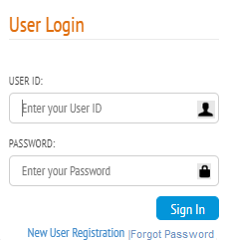

Screen3 :Customer Login Screen – Input requirement

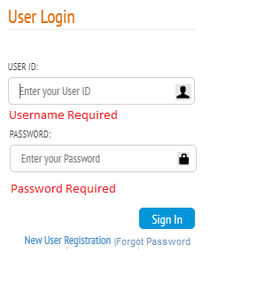

 | Screen4 :Customer Home page

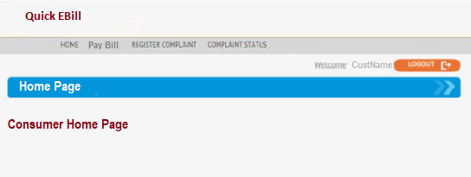

 | Screen5 :Pay Bill

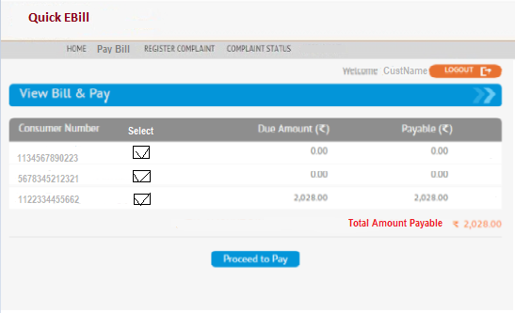

Screen6 :Payment Screen

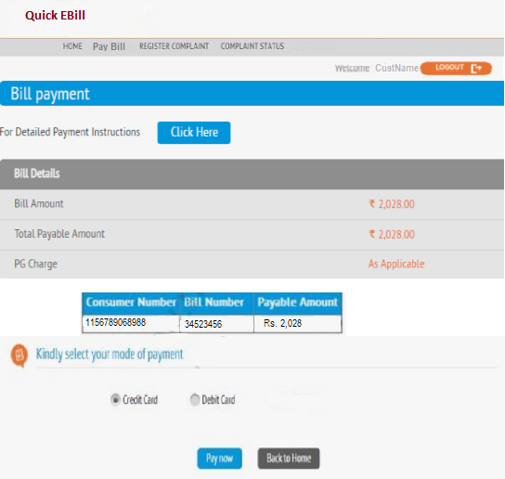

Screen7 :Payment Screen-Debit Card

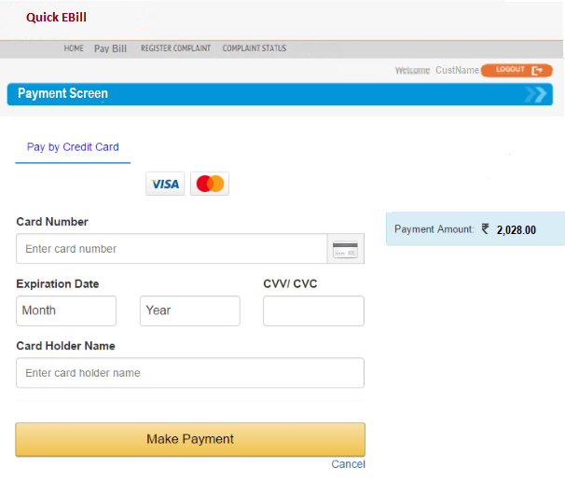

Screen8 :Payment Success Screen

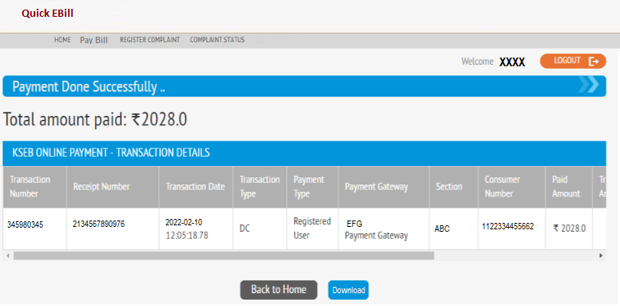

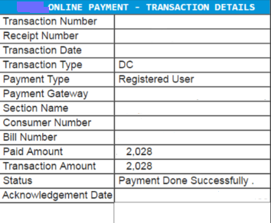

Screen9 :Register Complaint Screen

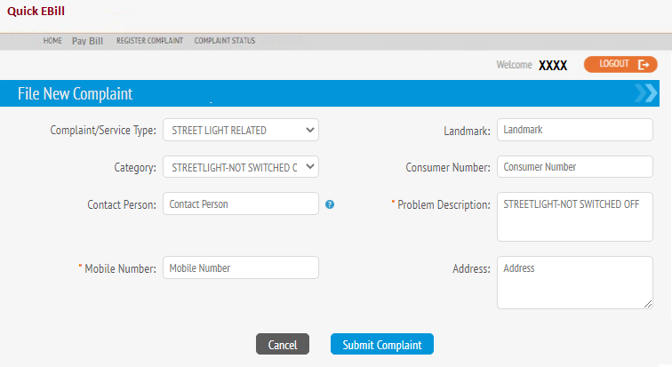

Screen10 :Complaint Status Screen

